Info
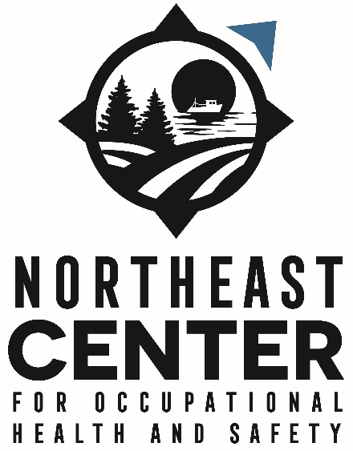
Title of document: | ICD10 CM to case determination and OIICS v 3.02 codes crosswalk for Agriculture, Forestry, and Fishing Injuries

Authors: | Hansen-Ruiz, C.; Graham, J.; Gould, E.; Quinn, B.; Krupa, N.; Scott, E.
Institution: | Northeast Center for Occupational Health and Safety
Funding: | This work was funded through the CDC NIOSH Grant 5U54OH007542 (Northeast Center for Occupational Health and Safety: Agriculture, Forestry and Fishing).

Methodology: | Scott, E., Hirabayashi, L., Graham, J. et al. Using hospitalization data for injury surveillance in agriculture, forestry and fishing: a crosswalk between ICD10CM external cause of injury coding and The Occupational Injury and Illness Classification System. Inj. Epidemiol. 8, 6 (2021). https://doi.org/10.1186/s40621-021-00300-6

 | Using hospitalization data for injury surveillance in agriculture, forestry and fishing: a crosswalk between ICD10CM external cause of injury coding and The Occupational Injury and Illness Classification System | Injury Epidemiology | Springer Nature Link

 |  |  | 1 Atwell Rd. Cooperstown, NY 13326
 |  |  | (800) 343-7527
Modifications to the methodology 2026: | The process was transferred from Access databases to REDCap databases |  | info@necenter.org
 | The crosswalk was updated to OIICS v 3.02 codes

NOTE | Only the external cause of injury codes (E-codes) were crosswalked: from V0001XA to Y999 code numbers

Years for which ICD10 CM have been crosswalked | 2017-2022

States for which ICD10 CM have been crosswalked | Delaware, Massachusetts, Maryland, Maine, New Jersey, New York, Rhode Island, Vermont, West Virginia

Number of single ICD10 CM crosswalked | 251
Number of multiple ICD10 codes crosswalked | 243

WARNINGS | Only single ICD10 codes can be said to have been completely coded for the years 2017-2022.
 | A different state within the years 2016-2022 might produce a set of multiple ICD10 codes within a given patient's record that did not appear in our dataset. Multiple ICD10 codes are to be taken with caution if applied to other states and/or years.

 | Multiple ICD10 codes were found for the following states and years

 | State | Years
 | Delaware | 2018-22
 | Massachusetts | 2016-22
 | Maryland | 2018-20
 | Maine | 2018-22
 | New Jersey | 2018-22
 | New York | 2016, 2018-22
 | Rhode Island | 2018-22
 | Vermont | 2017-22
 | West Virginia | 2018-22

