Info
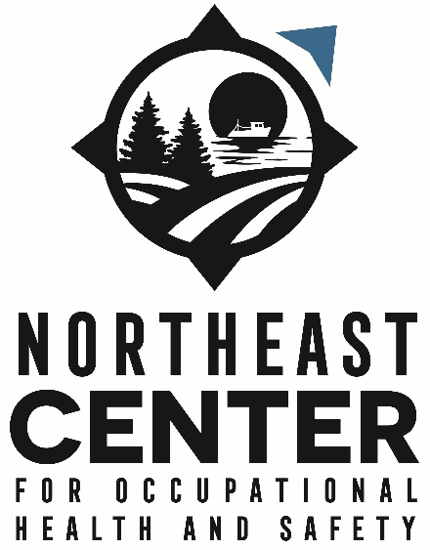
Title of document: | ICD10 CM to case determination and OIICS v 2.1 codes crosswalk for Agriculture, Forestry, and Fishing Injuries

Authors: | Scott, E.; Hirabayashi, L.; Graham, J.; Krupa, N.
Institution: | Northeast Center for Occupational Health and Safety
Funding: | This work was funded through the CDC NIOSH Grant 5U54OH007542 (Northeast Center for Occupational Health and Safety: Agriculture, Forestry and Fishing).

Methodology: | Scott, E., Hirabayashi, L., Graham, J. et al. Using hospitalization data for injury surveillance in agriculture, forestry and fishing: a crosswalk between ICD10CM external cause of injury coding and The Occupational Injury and Illness Classification System. Inj. Epidemiol. 8, 6 (2021). https://doi.org/10.1186/s40621-021-00300-6

 | Using hospitalization data for injury surveillance in agriculture, forestry and fishing: a crosswalk between ICD10CM external cause of injury coding and The Occupational Injury and Illness Classification System | Injury Epidemiology | Springer Nature Link

 |  |  | 1 Atwell Rd. Cooperstown, NY 13326
 |  |  | (800) 343-7527
 |  |  | info@necenter.org
NOTE | Only the external cause of injury codes (E-codes) were crosswalked: from V0001XA to Y999 code numbers

Years for which ICD10 CM have been crosswalked | 2017

States for which ICD10 CM have been crosswalked | Massachusetts, New York, Vermont

Number of single ICD10 CM crosswalked | 248
Number of multiple ICD10 codes crosswalked | 138

WARNINGS | Only single ICD10 codes can be said to have been completely coded for the year 2017.
 | A different state within the years 2016-17 might produce a set of multiple ICD10 codes within a given patient's record that did not appear in our dataset. Multiple ICD10 codes are to be taken with caution if applied to other states and/or years.

 | Multiple ICD10 codes were found for the following states and years

 | State | Years
 | Massachusetts | 2016-17
 | New York | 2016
 | Vermont | 2017

